Sheet1
# | Product Photo | Car Application | OE | SKF | INA | DAYCO | GATES | Manion ref.
1 | 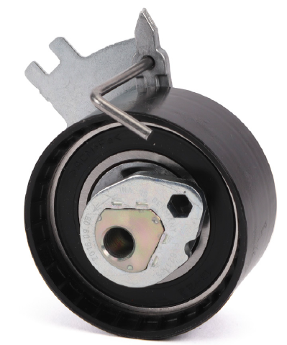 | Citroën: C4, C5, C6, C8, C-Crosser, DS4, DS5, DS7, Jumper, Jumpy Fiat: Ulysse Ford: C-Max, Focus, Galaxy, Kuga, Mondeo, S-Max, Jaguar: XF Lancia: Phedra Land Rover: Discovery, Freelander, Evoque Mitsubishi: Outlander Opel/Vauxhall: Grandland Peugeot: 308, 3008, 407, 4007, 508, 5008, 607, 807, Boxer, Expert, Traveller | 16 090 909 80 96 740 693 80 DS7Q-6B217-BA 1871347 3553087 | / | 531 0885 10 | ATB2724 | T43246 | MBT 3D521
2 | 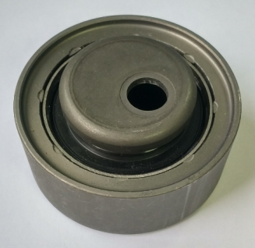 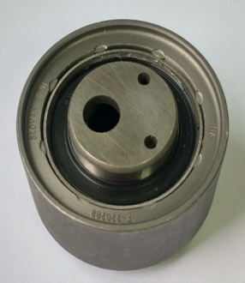 | Audi 100/5000/A6 | 046 130 195 B | VKM11265 | 531 0199 10 | ATB2359 | T41277 | MBT 11265
3 | 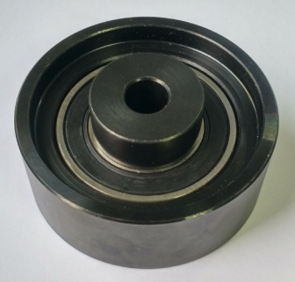 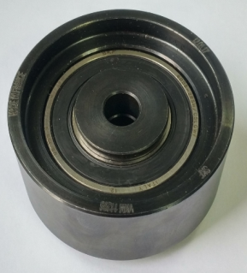 | Audi 100/5000/A6 | 046 130 195 C 046 130 195 D | VKM11266 | 532 0435 10 | ATB2555 | T42190 | MBT 11266

